Data
Test for two means. Independent samples, population variance known
New Cleaning Detergent

Background: Ajax releases a new dish detergent, called Extreme Ajax+, which they advertise to be able to clean many more dishes with a single bottle.
You want to see if that is true and have bought 25 bottles of Extreme Ajax+ and 25 bottles of Ajax and collected data on how many dirty dishes you can wash with a single bottle. (Population variance is assumed to be known.)

Task 1 | Find the standard deviations of the two samples
Task 2 | State the Null Hypothesis
Task 3 | Determine the Z-score
Task 4 | Find the p-value
Task 5 | Interpret the result

 | Extreme Ajax+ | Ajax | Difference | Standard deviation
Size | 25 | 25 | ? | Standard deviation of two samples
Mean | 115 | 100 | 15
Variance | 625 | 400 | 6.40 |  |  | Extreme Ajax+ | Ajax
 |  |  |  | Standard deviation |  | 25 | 20

Hypothesized diff.
Z-score |  |  |  | Hypothesized diff.
p-value |  |  |  | As company claims that one bottle Extreme Ajax+ washes more than one Ajax bottle.
 |  |  |  |  | 1 bottle Extreme Ajax+ washed > 1 bottle Ajax washed

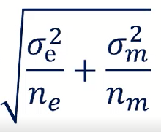
Variance for dependant variables |  |  |  | As researcher, the approach most of the times is deniable.
 |  |  |  |  | 1 bottle Extreme Ajax+ washed ≤ 1 bottle Ajax washed |  |  |  |  | if Hypothesis if accepted, it tends to

 |  |  |  | H0: μExtremeAjax+ - μAjax ≤ 0
 |  |  |  | H1: μExtremeAjax+ - μAjax > 0

 |  |  |  | Z-score
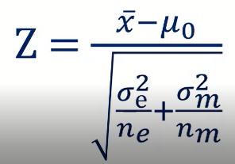
 |  |  |  | Z-score | 2.34

 |  |  |  | p-value
 |  |  |  | Decision rule

 |  |  |  | Accept if: p > α
 |  |  |  | Reject if: p < α

 |  |  |  | % | Significance Level α | p-value |  | Decision | Comment
 |  |  |  |  |  |  |  | Accept if: p > α
 |  |  |  | 1% | 0.01 | 0.019129 |  | TRUE | At 1% significance we accept the null hypothesis. The data shows that the program is not working.
 |  |  |  | 5% | 0.05 | 0.019129 |  | FALSE | At 5% significance, we reject the null hypothesis. Therefore, the program is successful.
 |  |  |  | 10% | 0.1 | 0.019129 |  | FALSE | At 10% significance, there is enoug statistical evidence that the program is working.

 |  |  |  | Note that the t-score and the p-value are not affected by the unit of measurement. This shows the power of standardization.

